【重要公告】
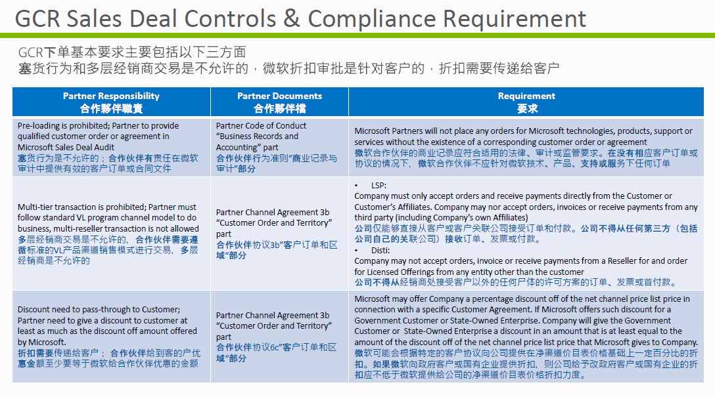
 | 補充公告
即日起，微軟所有訂單(包含商業版/教育版/政府版)皆無法提交多層次經銷商訂單。 | l 依據微軟經銷合作夥伴協議之要求，微軟核准提供的折扣必須傳遞給最終客戶
下單前不須送審，若為多層經銷商訂單，微軟一律不允許退貨。代理商亦無法辦理退貨。 | l 禁止多層交易，採購流程訂單須由end user 下單給Reseller；Reseller下單給代理商
下單前需要提交終端客戶訂單與規格資料，提交多層經銷商訂單，審核一律會被拒絕，無法下單 | l 凡下單均須提供End user PO後 (金額可蓋住)，方可下單至微軟系統
 | l 若銷售微軟產品經銷商都需註冊MPN ID，並簽署MPA (microsoft partner network agreement)
底下是微軟規範代理商的說明，可供參考。 | l 微軟有權在認定訂單有合規問題時，拒絕接受訂單。

微軟合規PO範本

 | 微軟合規PO標準範本

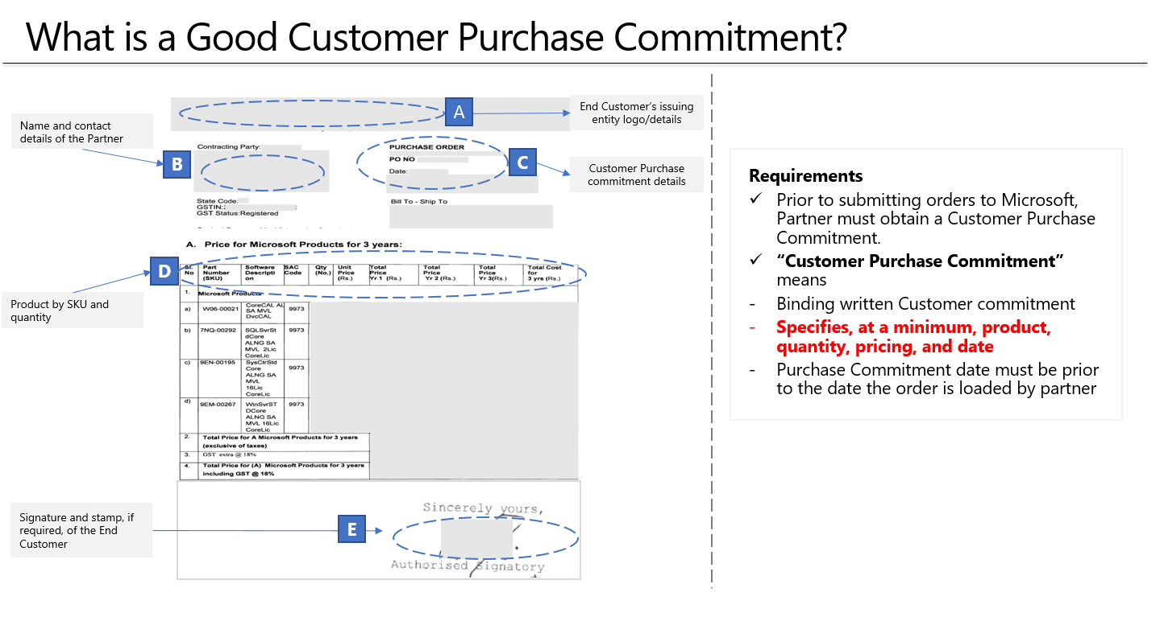

A：終端客戶公司名稱/logo資料
B：經銷商聯絡人資料
C：終端客戶採購資料(包含採購單號/日期等)
D：購買品項資料(包含料號/數量/名稱)
E：終端客戶的簽名or蓋章並附上日期

要求 在向Microsoft提交訂單之前，合作夥伴必須獲得客戶購買承諾。 “客戶購買承諾”是指 具有約束力的書面客戶承諾 至少指定產品，數量，價格和日期 購買承諾日期必須早於合作夥伴加載訂單的日期

